영문
COMPANY PROFILE |  |  |  |  |  |  | KOTRA Start-up Support Team
About Travellers |  |  |  |  |  |  | (Company Logo)
 | Name | Position Title | Daprtment | Contact Info | Language (English) | Language (french)
Traveller 1 | Gil-dong Hong | Manager | Marketing | 010-0000-0000 | O | X
Traveller 2
About our Company |  |  |  |  |  |  | Contact Information
 |  |  |  |  |  |  | Contact Person
 |  |  |  |  |  |  | Title
 |  |  |  |  |  |  | Contact Number
 |  |  |  |  |  |  | Fax
 |  |  |  |  |  |  | Email
CEO Information |  |  |  |  |  |  | Company Information
Name |  | Tel |  | E-mail |  |  | Year Established
CEO Profile |  |  |  |  |  |  | No. of Employee
 |  |  |  |  |  |  | Address

Business Category |  |  |  |  |  |  | Homepage
IoT |  | Robotics |  | AR / VR | SmartCity |  | Business Registration No.
Fintech |  | Edutech |  | * Choose one that is the most adjacent to your field |  |  | Business Model & Investment
Product / Item Description |  |  |  |  |  |  | Year 2017 Turnover
<Product / Item 1 : Crowdsourcing translation platform>
 |  |  |  |  |  |  | Amount of Export in Year 2017
Product / Item Image
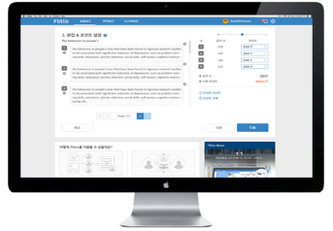 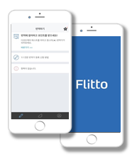 |  | ① Product Introduction / Solution |  |  |  |  | Do you have any record of export? O
 |  |  |  |  |  |  | Year 2016 Export Amount

 |  |  |  |  |  |  | Target Market Nation and Size

 |  | ② Product Advantages / Differentiators / Innovation
 |  |  |  |  |  |  | Type and Size of Client

Product / Item Image
<Product / Item 2 : Language big data for AI machine learning>
 |  | ① Product Introduction / Solution
 |  |  |  |  |  |  | Type of Partnership Concidered

 |  |  |  |  |  |  | Earned Investment
 |  | ② Product Advantages / Differentiators / Innovation

 |  |  |  |  |  |  | Desired Amount of Investment (US$)

